Sheet1
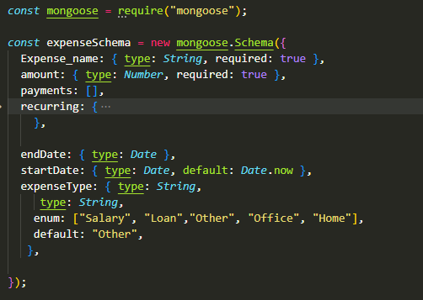
Logic |  |  | logic
 | jan | paid amount with id of month | update button
 |  |  | if paid <Jan amount then amount -paid =result amount will added to next month id Data of payment wil be added to payment attribute

